Model 0
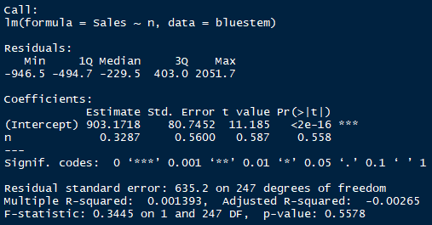
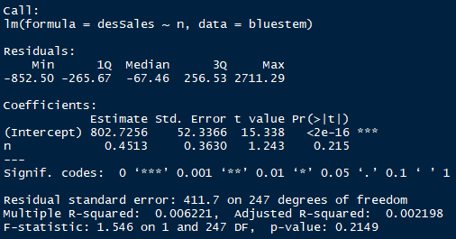
Note:
full time line: filled missing days
open days time line: do not fill missing days

Model 0.1 - Sales vs. full time line | Model 0.3 - De-seasonized Sales (standard) vs. full time line
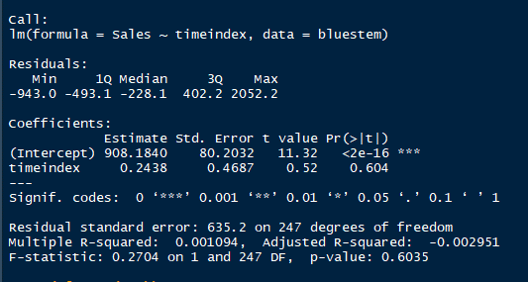
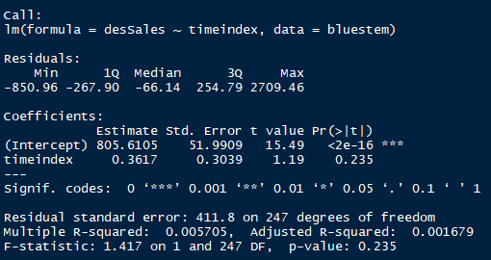

Model 0.2 - Sales vs. open days time line | Model 0.4 - De-seasonized Sales (standard) vs. open days time line

Additive
Model add.fit.1 - Sales ~ time (full) + promo + dummy
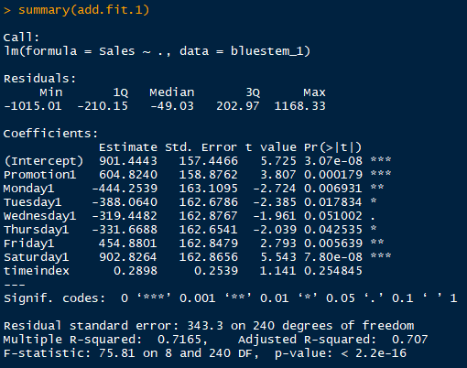

Model add.fit.2 - Sales ~ time (full) + promo (+lag1) + dummy
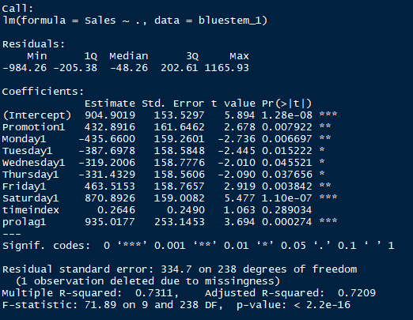

Model add.fit.3 - Sales ~ time (full) + promo (+lag1&2) + dummy
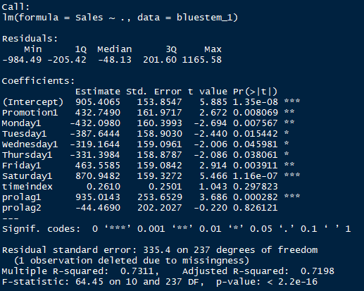

#Model add.fit.4 - Sales ~ time (open) + promo + dummy
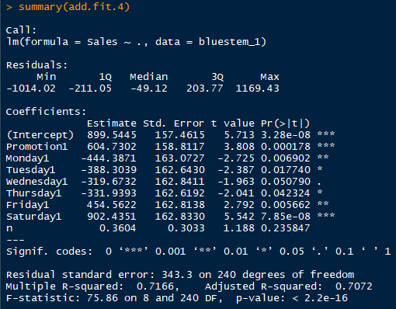

#Model add.fit.5 - Sales ~ time (open) + promo (+lag1) + dummy
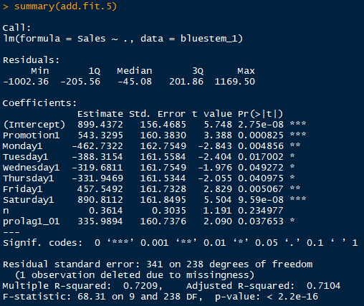

#Model add.fit.6 - Sales ~ time (open) + promo (+lag1&2) + dummy
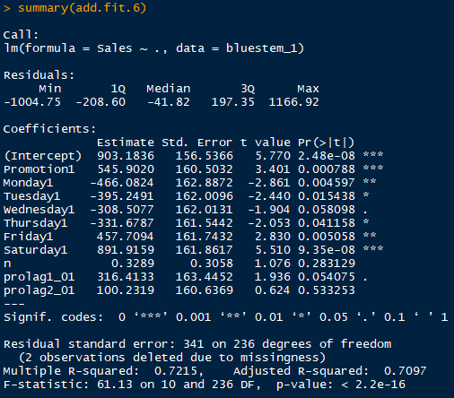

Also tried to use log(sales). Not applicable as the coefficient of Promotion will become insignificant in this case.

Mutiplicative
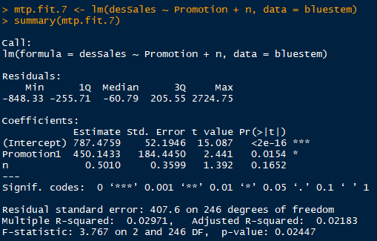
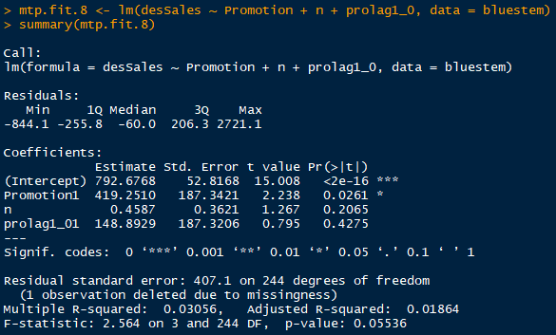
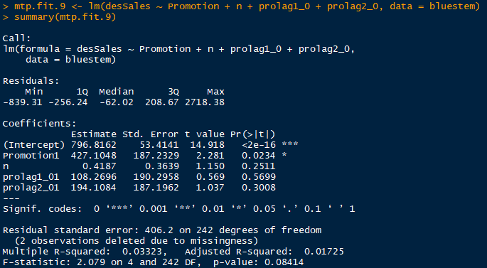
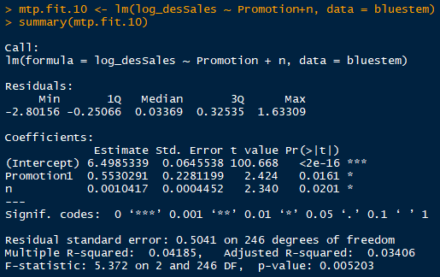
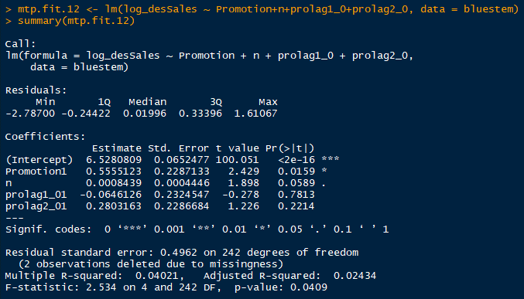
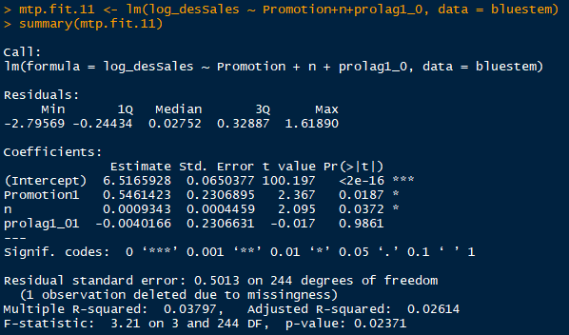
#Model mtp.fit.1 - desSales ~ time (full) + promo

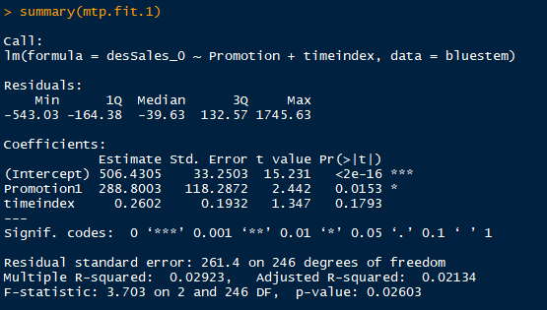

#Model mtp.fit.2 - desSales ~ time (full) + promo + lag1

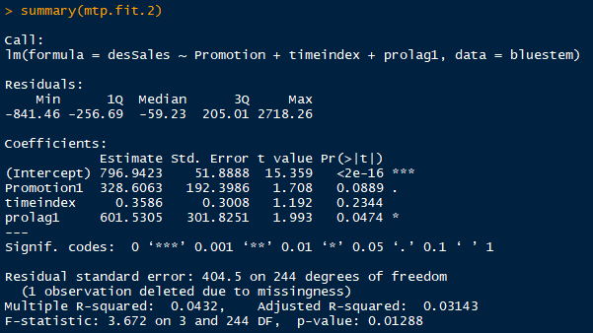

#Model mtp.fit.3 - desSales ~ time (full) + promo + lag1&2

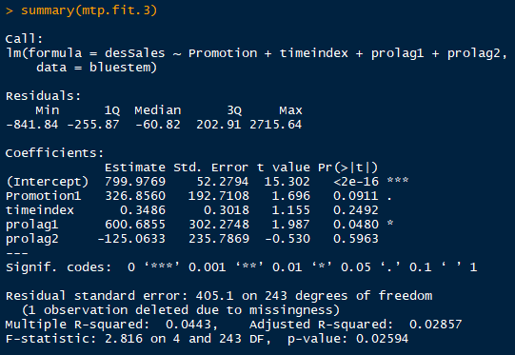

CO.fit.1 - fix autocorrelation based on mtp.fit.2

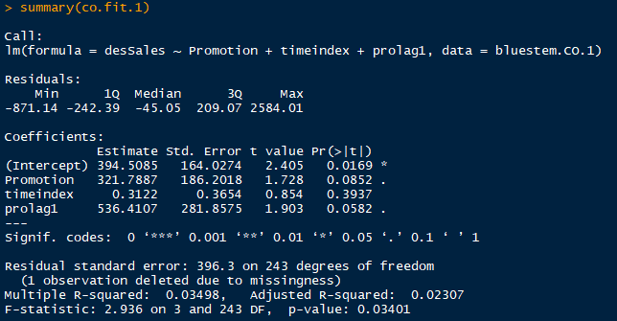

Tried log(desSales for CO.fit.1, however still cannot pass BP-test. Other outcome negatively affected.

#Model mtp.fit.4 - log(desSales) ~ time (full) + promo
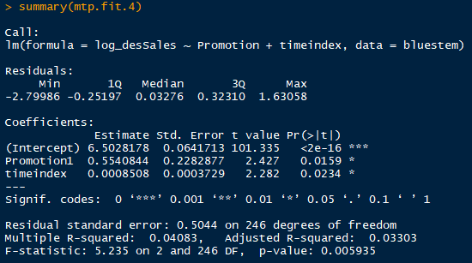

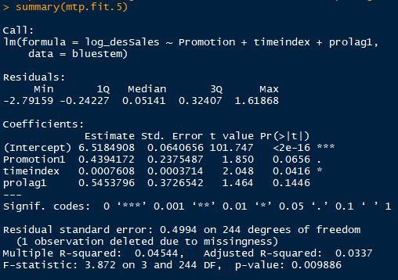
#Model mtp.fit.5 - log(desSales) ~ time (full) + promo + lag1

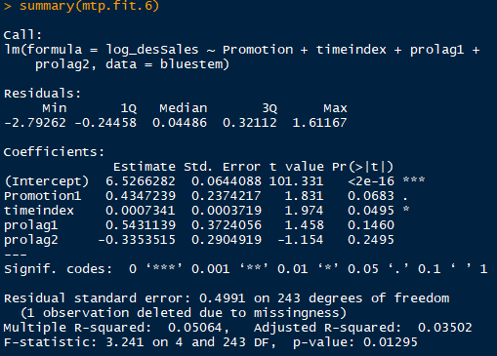
#Model mtp.fit.6 - log(desSales) ~ time (full) + promo + lag1&2

Use open day time line: | Not good

